Sheet1
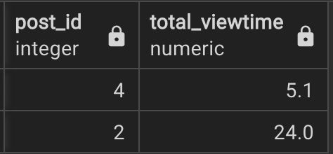
 | Video #21 - Popular Posts
PROBLEM STATEMENT: The column 'perc_viewed' in the table 'post_views' denotes the percentage of the session duration time the user spent viewing a post. Using it, calculate the total time that each post was viewed by users. Output post ID and the total viewing time in seconds, but only for posts with a total viewing time of over 5 seconds.

 | USER_SESSONS |  | POST_VIEWS

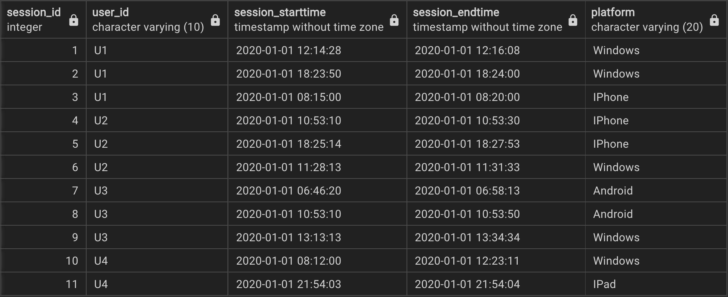
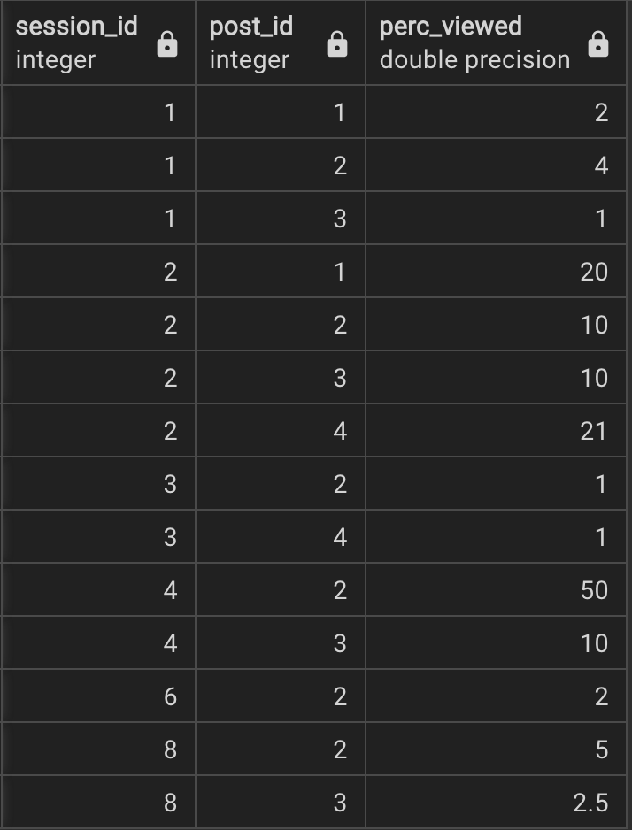

 |  | OUTPUT

